Intro

ELFT's QI Charts Tutorial

 | Welcome to ELFT's QI Charts tutorial. We will be showing you how you can create your own control charts. Please note, all data used in these videos are made up and do not represent the trust's performance in anyway. You can download this "QI Charts Demo - Trainee Pack" from our QI microstie - https://qi.elft.nhs.uk/qi-charts/

Choosing the correct chart
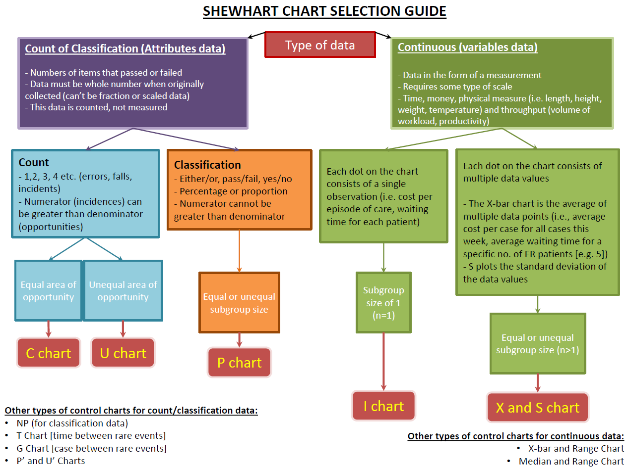

5. X bar S Chart
Type | X Bar S CHART
Data | Length of Stay
Please note: This is all dummy data made up for the purposes of using QI charts.
X-bar Chart
 | Subgroup | Center | UCL | LCL
1-May-14 | 3.75 | 3.9 | 4.6 | 3.2
1-Jun-14 | 4.1290322581 | 3.9 | 4.7 | 3.1
1-Jul-14 | 3.6176470588 | 3.9 | 4.6 | 3.2
1-Aug-14 | 4.4117647059 | 3.9 | 4.6 | 3.2
1-Sep-14 | 3.5416666667 | 3.9 | 4.8 | 3.0
1-Oct-14 | 4.1764705882 | 3.9 | 4.6 | 3.2
1-Nov-14 | 3.7941176471 | 3.9 | 4.6 | 3.2
1-Dec-14 | 3.9642857143 | 3.9 | 4.7 | 3.1
1-Jan-15 | 3.6176470588 | 3.9 | 4.6 | 3.2
1-Feb-15 | 4.064516129 | 3.9 | 4.7 | 3.1
1-Mar-15 | 3.6774193548 | 3.9 | 4.7 | 3.1
1-Apr-15 | 3.5 | 3.9 | 4.8 | 3.0
1-May-15 | 4.8571428571 | 3.9 | 4.7 | 3.1
1-Jun-15 | 3.96 | 3.9 | 4.8 | 3.0
1-Jul-15 | 3.6666666667 | 3.9 | 4.7 | 3.1
1-Aug-15 | 3.5675675676 | 3.9 | 4.6 | 3.2
1-Sep-15 | 3.4666666667 | 3.9 | 4.7 | 3.1
1-Oct-15 | 4.0285714286 | 3.9 | 4.6 | 3.2
1-Nov-15 | 3.5641025641 | 3.9 | 4.6 | 3.2
1-Dec-15 | 3.2571428571 | 3.9 | 4.6 | 3.2
1-Jan-16 | 3.9428571429 | 3.9 | 4.6 | 3.2
1-Feb-16 | 3.8235294118 | 3.9 | 4.6 | 3.2
1-Mar-16 | 3.6 | 3.9 | 4.6 | 3.2
1-Apr-16 | 3.5135135135 | 3.9 | 4.6 | 3.2
Month | Case1 | Case 2 | Case 3 | Case 4 | Case 5 | Case 6 | Case 7 | Case 8 | Case 9 | Case10 | Case11 | Case 12 | Case 13 | Case 14 | Case 15 | Case 16 | Case 17 | Case 18 | Case 19 | Case 20 | Case 21 | Case 22 | Case 23 | Case 24 | Case 25 | Case 26 | Case 27 | Case 28 | Case 29 | Case 30 | Case 31 | Case 32 | Case 33 | Case 34 | Case 35 | Case36 | Case 37 | Case 38 | Case 39 | Case 40 | Average | Count | Standard Deviation
May-14 | 4 | 1 | 3 | 2 | 3 | 4 | 5 | 5 | 5 | 4 | 3 | 4 | 4 | 5 | 4 | 3 | 2 | 1 | 4 | 5 | 4 | 3 | 4 | 3 | 5 | 2 | 3 | 4 | 3 | 5 | 4 | 5 | 4 | 3 | 5 | 5 | 4 | 5 | 4 | 4 | 3.75 | 40 | 1.1036071393
Jun-14 | 2 | 1 | 3 | 5 | 5 | 4 | 5 | 7 | 5 | 4 | 3 | 5 | 5 | 5 | 5 | 3 | 2 | 2 | 3 | 5 | 4 | 5 | 4 | 5 | 5 | 4 | 3 | 4 | 5 | 5 | 5 |  |  |  |  |  |  |  |  |  | 4.1290322581 | 31 | 1.2843139669
Jul-14 | 4 | 1 | 3 | 2 | 3 | 4 | 5 | 5 | 5 | 4 | 3 | 4 | 4 | 5 | 4 | 3 | 2 | 1 | 4 | 5 | 4 | 3 | 4 | 3 | 5 | 2 | 3 | 4 | 3 | 5 | 4 | 5 | 4 | 3 |  |  |  |  |  |  | 3.6176470588 | 34 | 1.1285470918
Aug-14 | 5 | 4 | 3 | 5 | 5 | 5 | 8 | 5 | 5 | 4 | 4 | 5 | 5 | 8 | 5 | 3 | 2 | 2 | 3 | 5 | 4 | 5 | 4 | 5 | 5 | 4 | 3 | 4 | 5 | 5 | 5 | 3 | 4 | 3 |  |  |  |  |  |  | 4.4117647059 | 34 | 1.3054117441
Sep-14 | 4 | 1 | 3 | 2 | 3 | 4 | 5 | 5 | 5 | 4 | 3 | 4 | 4 | 5 | 4 | 3 | 2 | 1 | 4 | 5 | 4 | 3 | 4 | 3 |  |  |  |  |  |  |  |  |  |  |  |  |  |  |  |  | 3.5416666667 | 24 | 1.1787674722
Oct-14 | 2 | 6 | 3 | 5 | 5 | 4 | 8 | 5 | 5 | 4 | 3 | 5 | 5 | 5 | 5 | 3 | 2 | 2 | 3 | 5 | 4 | 5 | 4 | 5 | 5 | 4 | 3 | 4 | 5 | 5 | 5 | 1 | 2 | 5 |  |  |  |  |  |  | 4.1764705882 | 34 | 1.4028237375
Nov-14 | 4 | 1 | 3 | 2 | 3 | 4 | 5 | 5 | 11 | 4 | 3 | 4 | 4 | 5 | 4 | 3 | 2 | 1 | 4 | 5 | 4 | 3 | 4 | 3 | 5 | 2 | 3 | 4 | 3 | 5 | 4 | 5 | 4 | 3 |  |  |  |  |  |  | 3.7941176471 | 34 | 1.6837802305
Dec-14 | 2 | 1 | 3 | 5 | 5 | 4 | 5 | 5 | 5 | 4 | 3 | 5 | 5 | 5 | 5 | 3 | 2 | 2 | 3 | 5 | 4 | 5 | 4 | 5 | 5 | 4 | 3 | 4 |  |  |  |  |  |  |  |  |  |  |  |  | 3.9642857143 | 28 | 1.2013000013
Jan-15 | 4 | 1 | 3 | 2 | 3 | 4 | 5 | 5 | 5 | 4 | 3 | 4 | 4 | 5 | 4 | 3 | 2 | 1 | 4 | 5 | 4 | 3 | 4 | 3 | 5 | 2 | 3 | 4 | 3 | 5 | 4 | 5 | 4 | 3 |  |  |  |  |  |  | 3.6176470588 | 34 | 1.1285470918
Feb-15 | 2 | 1 | 3 | 5 | 5 | 4 | 5 | 5 | 5 | 4 | 3 | 5 | 5 | 5 | 5 | 3 | 2 | 2 | 3 | 5 | 4 | 5 | 4 | 5 | 5 | 4 | 3 | 4 | 5 | 5 | 5 |  |  |  |  |  |  |  |  |  | 4.064516129 | 31 | 1.1813970225
Mar-15 | 4 | 1 | 3 | 2 | 3 | 4 | 5 | 5 | 5 | 3 | 4 | 5 | 5 | 5 | 4 | 3 | 4 | 4 | 2 | 1 | 3 | 5 | 5 | 3 | 5 | 2 | 3 | 4 | 3 | 5 | 4 |  |  |  |  |  |  |  |  |  | 3.6774193548 | 31 | 1.2216681703
Apr-15 | 2 | 1 | 3 | 5 | 5 | 4 | 1 | 3 | 2 | 3 | 4 | 5 | 5 | 5 | 3 | 5 | 2 | 3 | 4 | 3 | 5 | 4 |  |  |  |  |  |  |  |  |  |  |  |  |  |  |  |  |  |  | 3.5 | 22 | 1.3363062096
May-15 | 5 | 7 | 1 | 2 | 3 | 15 | 2 | 7 | 3 | 5 | 5 | 4 | 1 | 3 | 18 | 3 | 8 | 5 | 5 | 5 | 3 | 5 | 2 | 3 | 4 | 3 | 5 | 4 |  |  |  |  |  |  |  |  |  |  |  |  | 4.8571428571 | 28 | 3.7289089429
Jun-15 | 5 | 4 | 3 | 4 | 4 | 5 | 4 | 3 | 2 | 1 | 4 | 5 | 8 | 5 | 3 | 2 | 2 | 3 | 5 | 4 | 6 | 3 | 5 | 5 | 4 |  |  |  |  |  |  |  |  |  |  |  |  |  |  |  | 3.96 | 25 | 1.4854853303
Jul-15 | 5 | 4 | 3 | 5 | 5 | 5 | 5 | 3 | 2 | 2 | 3 | 4 | 5 | 4 | 3 | 2 | 1 | 4 | 5 | 4 | 1 | 3 | 2 | 3 | 4 | 6 | 3 | 5 | 5 | 4 |  |  |  |  |  |  |  |  |  |  | 3.6666666667 | 30 | 1.3217891045
Aug-15 | 5 | 3 | 4 | 5 | 5 | 5 | 4 | 3 | 4 | 4 | 2 | 5 | 5 | 5 | 3 | 2 | 2 | 3 | 5 | 4 | 1 | 3 | 5 | 5 | 4 | 1 | 3 | 2 | 3 | 2 | 3 | 4 | 5 | 3 | 2 | 3 | 5 |  |  |  | 3.5675675676 | 37 | 1.2592003755
Sep-15 | 2 | 3 | 4 | 5 | 5 | 5 | 3 | 5 | 2 | 3 | 4 | 4 | 5 | 4 | 3 | 2 | 1 | 4 | 5 | 4 | 1 | 3 | 2 | 3 | 4 | 1 | 3 | 5 | 5 | 4 |  |  |  |  |  |  |  |  |  |  | 3.4666666667 | 30 | 1.3060425439
S Chart
 | Subgroup | Center | UCL | LCL
1-May-14 | 1.1036071393 | 1.4 | 1.9 | 0.9
1-Jun-14 | 1.2843139669 | 1.4 | 2.0 | 0.9
1-Jul-14 | 1.1285470918 | 1.4 | 1.9 | 0.9
1-Aug-14 | 1.3054117441 | 1.4 | 1.9 | 0.9
1-Sep-14 | 1.1787674722 | 1.4 | 2.0 | 0.8
1-Oct-14 | 1.4028237375 | 1.4 | 1.9 | 0.9
1-Nov-14 | 1.6837802305 | 1.4 | 1.9 | 0.9
1-Dec-14 | 1.2013000013 | 1.4 | 2.0 | 0.8
1-Jan-15 | 1.1285470918 | 1.4 | 1.9 | 0.9
1-Feb-15 | 1.1813970225 | 1.4 | 2.0 | 0.9
1-Mar-15 | 1.2216681703 | 1.4 | 2.0 | 0.9
1-Apr-15 | 1.3363062096 | 1.4 | 2.1 | 0.8
1-May-15 | 3.7289089429 | 1.4 | 2.0 | 0.8
1-Jun-15 | 1.4854853303 | 1.4 | 2.0 | 0.8
1-Jul-15 | 1.3217891045 | 1.4 | 2.0 | 0.9
1-Aug-15 | 1.2592003755 | 1.4 | 1.9 | 0.9
1-Sep-15 | 1.3060425439 | 1.4 | 2.0 | 0.9
1-Oct-15 | 3.32977401 | 1.4 | 1.9 | 0.9
1-Nov-15 | 1.6510741606 | 1.4 | 1.9 | 0.9
1-Dec-15 | 1.2912114044 | 1.4 | 1.9 | 0.9
1-Jan-16 | 1.3491360447 | 1.4 | 1.9 | 0.9
1-Feb-16 | 1.3135791549 | 1.4 | 1.9 | 0.9
1-Mar-16 | 1.3547302749 | 1.4 | 1.9 | 0.9
1-Apr-16 | 1.5387877917 | 1.4 | 1.9 | 0.9
Oct-15 | 3 | 5 | 5 | 4 | 1 | 3 | 21 | 3 | 8 | 5 | 5 | 5 | 5 | 5 | 3 | 2 | 2 | 3 | 5 | 4 | 1 | 3 | 5 | 5 | 4 | 1 | 3 | 2 | 3 | 4 | 1 | 3 | 2 | 3 | 4 |  |  |  |  |  | 4.0285714286 | 35 | 3.32977401
Nov-15 | 5 | 5 | 8 | 5 | 8 | 5 | 3 | 2 | 2 | 3 | 5 | 4 | 5 | 4 | 3 | 2 | 1 | 4 | 5 | 4 | 1 | 3 | 2 | 3 | 4 | 1 | 2 | 3 | 4 | 1 | 3 | 2 | 3 | 5 | 4 | 3 | 4 | 3 | 5 |  | 3.5641025641 | 39 | 1.6510741606
Dec-15 | 4 | 4 | 5 | 4 | 5 | 4 | 3 | 2 | 1 | 4 | 5 | 5 | 5 | 5 | 3 | 2 | 2 | 3 | 5 | 4 | 1 | 3 | 2 | 3 | 4 | 1 | 3 | 2 | 3 | 4 | 1 | 3 | 2 | 3 | 4 |  |  |  |  |  | 3.2571428571 | 35 | 1.2912114044
Jan-16 | 5 | 5 | 5 | 5 | 5 | 5 | 3 | 2 | 2 | 3 | 5 | 4 | 5 | 4 | 3 | 3 | 5 | 4 | 3 | 4 | 3 | 6 | 5 | 4 | 3 | 2 | 1 | 4 | 5 | 4 | 1 | 3 | 6 | 5 | 6 |  |  |  |  |  | 3.9428571429 | 35 | 1.3491360447
Feb-16 | 4 | 4 | 5 | 4 | 5 | 4 | 3 | 2 | 1 | 4 | 5 | 5 | 5 | 4 | 5 | 5 | 4 | 3 | 5 | 4 | 5 | 5 | 5 | 5 | 3 | 2 | 2 | 3 | 5 | 4 | 1 | 3 | 1 | 5 |  |  |  |  |  |  | 3.8235294118 | 34 | 1.3135791549
Mar-16 | 5 | 5 | 5 | 5 | 5 | 5 | 3 | 2 | 2 | 3 | 5 | 3 | 5 | 4 | 3 | 5 | 4 | 5 | 3 | 4 | 3 | 2 | 5 | 4 | 3 | 2 | 1 | 4 | 5 | 4 | 1 | 3 | 5 | 1 | 2 |  |  |  |  |  | 3.6 | 35 | 1.3547302749
Apr-16 | 4 | 4 | 5 | 4 | 5 | 4 | 3 | 2 | 1 | 4 | 5 | 3 | 2 | 3 | 3 | 5 | 4 | 3 | 3 | 2 | 5 | 4 | 3 | 5 | 3 | 2 | 2 | 3 | 5 | 4 | 1 | 3 | 1 | 9 | 2 | 4 | 5 |  |  |  | 3.5135135135 | 37 | 1.5387877917

